Sheet1
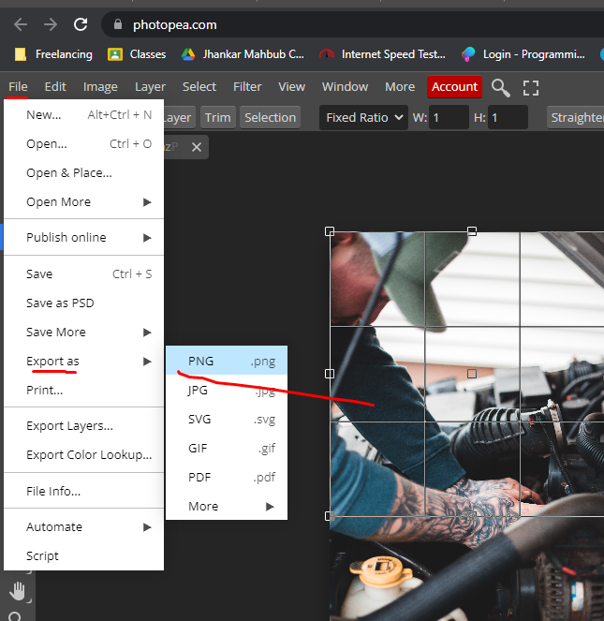
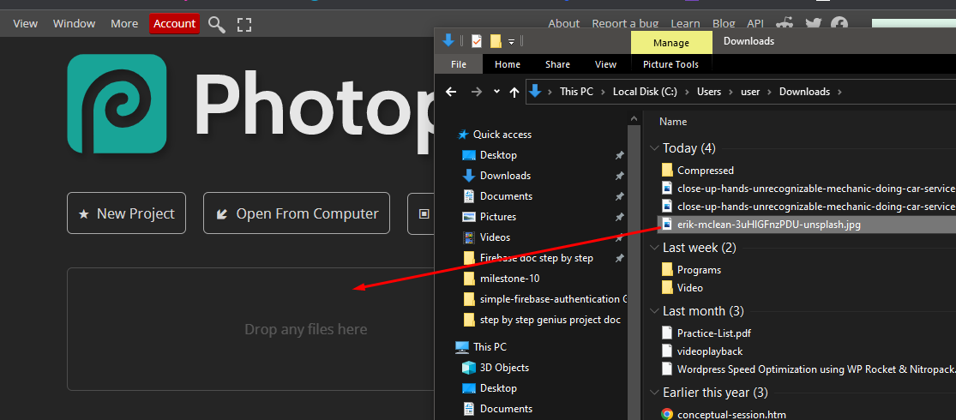
for picture
freepik
unsplash

picture size kora jonno |  | tinypng | pic er jonno
photopea
dia | pic drag kore ekhane anbo

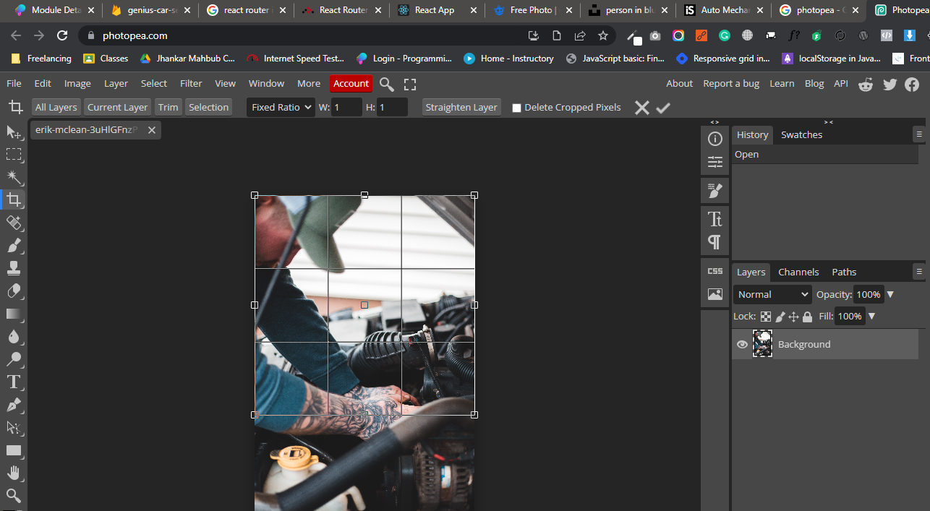

select kore enter
pic save korar jonno

